Figure14
 | HH RSA | YoY RSA | HH ASS | YoY ASS | HH PA | YoY PA
Jan-17 | 1,895,900 | nd | 454,300 | - | 2,625,700 | nd
Feb-17 | 1,891,000 | nd | 452,500 | - | 2,650,700 | nd
Mar-17 | 1,893,300 | nd | 450,000 | - | 2,687,200 | nd
Apr-17 | 1,893,500 | nd | 446,600 | - | 2,678,700 | nd
May-17 | 1,894,100 | nd | 444,000 | - | 2,711,200 | nd
 | HH RSA | YoY RSA
42736 | 1891000 | 0
42767 | 1893300 | 0
42795 | 1893500 | 0
42826 | 1894100 | 0
42856 | 1887900 | 0
42887 | 1879100 | 0
42917 | 1870200 | 0
42948 | 1868100 | 0
42979 | 1875200 | 0
43009 | 1883700 | 0
43040 | 1883800 | 0
43070 | 1891300 | 0
43101 | 1890100 | -0.24215080124
43132 | 1891700 | -0.048967634297
43160 | 1890700 | -0.088785180005
43191 | 1893400 | -0.14745227606
43221 | 1892400 | -0.037061517896
43252 | 1887200 | 0.24037226449
43282 | 1880800 | 0.42955660201
43313 | 1883000 | 0.56807943273
43344 | 1894200 | 0.79540454343
43374 | 1905300 | 1.0134989204
43405 | 1903800 | 1.1478155617
43435 | 1903700 | 1.0651614438
43466 | 1902200 | 0.65133886911
43497 | 1902700 | 0.6405945869
43525 | 1902000 | 0.58477955524
43556 | 1904500 | 0.59718559561
43586 | 1902000 | 0.58243013004
43617 | 1900100 | 0.50521997228
43647 | 1893700 | 0.68237973441
43678 | 1898200 | 0.68801059132
43709 | 1907200 | 0.80654712116
43739 | 1916800 | 0.68593891221
43770 | 1916100 | 0.6043187217
43800 | 1920900 | 0.64670081211
43831 | 1926000 | 0.90531157448
43862 | 1950100 | 1.2514805015
43891 | 1971700 | 2.49149242
43922 | 1988100 | 3.6626317762
43952 | 2019800 | 4.3903461008
43983 | 2046500 | 6.1913119005
44013 | 2056100 | 7.7038172262
44044 | 2060600 | 8.5723111856
44075 | 2068400 | 8.5598518981
44105 | 2073700 | 8.4510941519
44136 | 2058100 | 8.1860914023
44166 | 2036500 | 7.4084782392
44197 | 2016000 | 6.016384089
44228 | 1997500 | 4.6697538412
...
Jun-17 | 1,887,900 | nd | 441,800 | - | 2,737,000 | nd
Jul-17 | 1,879,100 | nd | 444,100 | - | 2,714,000 | nd
Aug-17 | 1,870,200 | nd | 444,400 | - | 2,745,700 | nd
Sep-17 | 1,868,100 | nd | 435,500 | - | 2,783,300 | nd
Oct-17 | 1,875,200 | nd | 432,700 | - | 2,793,700 | nd
Nov-17 | 1,883,700 | nd | 430,000 | - | 2,830,200 | nd
Dec-17 | 1,883,800 | nd | 427,100 | - | 2,846,500 | nd
Jan-18 | 1,891,300 | -0.2 | 423,200 | -6.8 | 2,790,800 | 6.3
Feb-18 | 1,890,100 | 0.0 | 418,900 | -7.4 | 2,784,100 | 5.0
Mar-18 | 1,891,700 | -0.1 | 415,200 | -7.7 | 2,796,100 | 4.1
Apr-18 | 1,890,700 | -0.1 | 409,700 | -8.3 | 2,781,000 | 3.8
May-18 | 1,893,400 | 0.0 | 406,000 | -8.6 | 2,809,100 | 3.6
Jun-18 | 1,892,400 | 0.2 | 402,400 | -8.9 | 2,832,200 | 3.5
Jul-18 | 1,887,200 | 0.4 | 401,000 | -9.7 | 2,818,600 | 3.9
Aug-18 | 1,880,800 | 0.6 | 398,700 | -10.3 | 2,843,300 | 3.6
Sep-18 | 1,883,000 | 0.8 | 388,800 | -10.7 | 2,879,200 | 3.4
Oct-18 | 1,894,200 | 1.0 | 384,100 | -11.2 | 2,919,400 | 4.5
Nov-18 | 1,905,300 | 1.1 | 381,400 | -11.3 | 3,000,500 | 6.0
Dec-18 | 1,903,800 | 1.1 | 379,700 | -11.1 | 3,156,900 | 10.9
Jan-19 | 1,903,700 | 0.7 | 377,800 | -10.7 | 3,891,000 | 39.4
Feb-19 | 1,902,200 | 0.6 | 376,300 | -10.2 | 4,139,100 | 48.7
Mar-19 | 1,902,700 | 0.6 | 375,700 | -9.5 | 4,242,800 | 51.7
Apr-19 | 1,902,000 | 0.6 | 375,200 | -8.4 | 4,223,500 | 51.9
May-19 | 1,904,500 | 0.6 | 371,600 | -8.5 | 4,267,700 | 51.9
Jun-19 | 1,902,000 | 0.5 | 369,000 | -8.3 | 4,311,200 | 52.2
Jul-19 | 1,900,100 | 0.7 | 368,000 | -8.2 | 4,290,800 | 52.2
Aug-19 | 1,893,700 | 0.7 | 367,800 | -7.7 | 4,329,300 | 52.3
Sep-19 | 1,898,200 | 0.8 | 359,000 | -7.7 | 4,382,000 | 52.2
Oct-19 | 1,907,200 | 0.7 | 355,100 | -7.5 | 4,412,900 | 51.2
Nov-19 | 1,916,800 | 0.6 | 353,000 | -7.4 | 4,470,200 | 49.0
Dec-19 | 1,916,100 | 0.6 | 351,500 | -7.4 | 4,504,600 | 42.7
Jan-20 | 1,920,900 | 0.9 | 350,900 | -7.1 | 4,474,100 | 15.0
Feb-20 | 1,926,000 | 1.3 | 350,900 | -6.7 | 4,477,700 | 8.2
Mar-20 | 1,950,100 | 2.5 | 349,700 | -6.9 | 4,488,800 | 5.8
Apr-20 | 1,971,700 | 3.7 | 350,600 | -6.5 | 4,505,100 | 6.7
May-20 | 1,988,100 | 4.4 | 342,100 | -7.9 | 4,538,700 | 6.3
Jun-20 | 2,019,800 | 6.2 | 365,500 | -1.0 | 4,547,000 | 5.5
Jul-20 | 2,046,500 | 7.7 | 373,900 | 1.6 | 4,445,200 | 3.6
Aug-20 | 2,056,100 | 8.6 | 379,700 | 3.2 | 4,392,900 | 1.5
Sep-20 | 2,060,600 | 8.6 | 379,900 | 5.8 | 4,410,800 | 0.7
Oct-20 | 2,068,400 | 8.5 | 376,000 | 5.9 | 4,464,900 | 1.2
Nov-20 | 2,073,700 | 8.2 | 366,200 | 3.7 | 4,542,500 | 1.6
Dec-20 | 2,058,100 | 7.4 | 354,700 | 0.9 | 4,578,400 | 1.6
Jan-21 | 2,036,500 | 6.0 | 344,700 | -1.8 | 4,529,300 | 1.2
Feb-21 | 2,016,000 | 4.7 | 335,600 | -4.4 | 4,505,100 | 0.6
Mar-21 | 1,997,500 | 2.4 | 329,700 | -5.7 | 4,494,900 | 0.1
Apr-21 | 1,975,400 | 0.2 | 319,800 | -8.8 | 4,473,700 | -0.7
May-21 | 1,956,400 | -1.6 | 312,800 | -8.6 | 4,480,100 | -1.3
Jun-21 | 1,937,700 | -4.1 | 304,800 | -16.6 | 4,491,300 | -1.2
Jul-21 | 1,964,400 | -4.0 | 362,200 | -3.1 | 4,456,500 | 0.3
Aug-21 | 1,956,100 | -4.9 | 362,200 | -4.6 | 4,477,500 | 1.9
Sep-21 | 1,947,600 | -5.5 | 356,300 | -6.2 | 4,529,700 | 2.7
Oct-21 | 1,939,700 | -6.2 | 340,000 | -9.6 | 4,556,300 | 2.0
Nov-21 | 1,941,300 | -6.4 | 334,200 | -8.7 | 4,598,600 | 1.2
Dec-21 | 1,930,900 | -6.2 | 321,900 | -9.3 | 4,619,000 | 0.9
Jan-22 | 1,911,300 | -6.1 | 319,200 | -7.4 | 4,586,600 | 1.3
Feb-22 | 1,890,800 | -6.2 | 316,300 | -5.7 | 4,541,600 | 0.8
Mar-22 | 1,900,000 | -4.9 | 313,100 | -5.1 | 4,564,100 | 1.5
Apr-22 | 1,897,400 | -3.9 | 307,800 | -3.8 | 4,557,300 | 1.9
May-22 | 1,896,400 | -3.1 | 303,700 | -2.9 | 4,586,900 | 2.4
Jun-22 | 1,888,900 | -2.5 | 297,500 | -2.4 | 4,601,900 | 2.5
Jul-22 | 1,879,600 | -4.3 | 297,300 | -17.9 | 4,586,800 | 2.9
Aug-22 | 1,874,400 | -4.2 | 295,700 | -18.4 | 4,622,800 | 3.2
Sep-22 | 1,879,200 | -3.5 | 286,600 | -19.6 | 4,679,300 | 3.3
Oct-22 | 1,890,700 | -2.5 | 283,700 | -16.6 | 4,736,300 | 4.0
Nov-22 | 1,907,500 | -1.7 | 280,400 | -16.1 | 4,781,400 | 4.0
Dec-22 | 1,891,000 | -2.1 | 276,400 | -14.1 | 4,798,100 | 3.9
Jan-23 | 1,882,400 | -1.5 | 274,400 | -14.0 | 4,765,900 | 3.9
Feb-23 | 1,867,900 | -1.2 | 271,500 | -14.2 | 4,761,800 | 4.8
Mar-23 | 1,869,200 | -1.6 | nd | nd | 4,754,000 | 4.2

Figure15
 | HH RSA | YoY RSA | HH ASS | YoY ASS | HH PA | YoY PA
Jan-17 | 1,895,900 | nd | 454,300 | - | 2,625,700 | nd
Feb-17 | 1,891,000 | nd | 452,500 | - | 2,650,700 | nd
Mar-17 | 1,893,300 | nd | 450,000 | - | 2,687,200 | nd
Apr-17 | 1,893,500 | nd | 446,600 | - | 2,678,700 | nd
 | HH PA | YoY PA
42736 | 2650700 | 0
42767 | 2687200 | 0
42795 | 2678700 | 0
42826 | 2711200 | 0
42856 | 2737000 | 0
42887 | 2714000 | 0
42917 | 2745700 | 0
42948 | 2783300 | 0
42979 | 2793700 | 0
43009 | 2830200 | 0
43040 | 2846500 | 0
43070 | 2790800 | 0
43101 | 2784100 | 6.2871349535
43132 | 2796100 | 5.0332682819
43160 | 2781000 | 4.0540087943
43191 | 2809100 | 3.8199970358
43221 | 2832200 | 3.6114795433
43252 | 2818600 | 3.4780381545
43282 | 2843300 | 3.8564764663
43313 | 2879200 | 3.5548208331
43344 | 2919400 | 3.4482188712
43374 | 3000500 | 4.4992078645
43405 | 3156900 | 6.016893008
43435 | 3891000 | 10.905010631
43466 | 4139100 | 39.421099967
43497 | 4242800 | 48.666752151
43525 | 4223500 | 51.737668943
43556 | 4267700 | 51.869368916
43586 | 4311200 | 51.92424483
43617 | 4290800 | 52.224074357
43647 | 4329300 | 52.229263433
43678 | 4382000 | 52.264207282
43709 | 4412900 | 52.193220702
43739 | 4470200 | 51.158059731
43770 | 4504600 | 48.982870253
43800 | 4474100 | 42.689520165
43831 | 4477700 | 14.987774282
43862 | 4488800 | 8.1817944612
43891 | 4505100 | 5.7993289312
43922 | 4538700 | 6.6691764483
43952 | 4547000 | 6.3491003483
43983 | 4445200 | 5.4685890834
44013 | 4392900 | 3.5972537529
44044 | 4410800 | 1.4688585903
44075 | 4464900 | 0.65686870978
44105 | 4542500 | 1.1768392915
44136 | 4578400 | 1.6182862317
44166 | 4529300 | 1.6393486294
44197 | 4505100 | 1.2324354866
44228 | 4494900 | 0.61084331753
...
May-17 | 1,894,100 | nd | 444,000 | - | 2,711,200 | nd
Jun-17 | 1,887,900 | nd | 441,800 | - | 2,737,000 | nd
Jul-17 | 1,879,100 | nd | 444,100 | - | 2,714,000 | nd
Aug-17 | 1,870,200 | nd | 444,400 | - | 2,745,700 | nd
Sep-17 | 1,868,100 | nd | 435,500 | - | 2,783,300 | nd
Oct-17 | 1,875,200 | nd | 432,700 | - | 2,793,700 | nd
Nov-17 | 1,883,700 | nd | 430,000 | - | 2,830,200 | nd
Dec-17 | 1,883,800 | nd | 427,100 | - | 2,846,500 | nd
Jan-18 | 1,891,300 | -0.2 | 423,200 | -6.8 | 2,790,800 | 6.3
Feb-18 | 1,890,100 | 0.0 | 418,900 | -7.4 | 2,784,100 | 5.0
Mar-18 | 1,891,700 | -0.1 | 415,200 | -7.7 | 2,796,100 | 4.1
Apr-18 | 1,890,700 | -0.1 | 409,700 | -8.3 | 2,781,000 | 3.8
May-18 | 1,893,400 | 0.0 | 406,000 | -8.6 | 2,809,100 | 3.6
Jun-18 | 1,892,400 | 0.2 | 402,400 | -8.9 | 2,832,200 | 3.5
Jul-18 | 1,887,200 | 0.4 | 401,000 | -9.7 | 2,818,600 | 3.9
Aug-18 | 1,880,800 | 0.6 | 398,700 | -10.3 | 2,843,300 | 3.6
Sep-18 | 1,883,000 | 0.8 | 388,800 | -10.7 | 2,879,200 | 3.4
Oct-18 | 1,894,200 | 1.0 | 384,100 | -11.2 | 2,919,400 | 4.5
Nov-18 | 1,905,300 | 1.1 | 381,400 | -11.3 | 3,000,500 | 6.0
Dec-18 | 1,903,800 | 1.1 | 379,700 | -11.1 | 3,156,900 | 10.9
Jan-19 | 1,903,700 | 0.7 | 377,800 | -10.7 | 3,891,000 | 39.4
Feb-19 | 1,902,200 | 0.6 | 376,300 | -10.2 | 4,139,100 | 48.7
Mar-19 | 1,902,700 | 0.6 | 375,700 | -9.5 | 4,242,800 | 51.7
Apr-19 | 1,902,000 | 0.6 | 375,200 | -8.4 | 4,223,500 | 51.9
May-19 | 1,904,500 | 0.6 | 371,600 | -8.5 | 4,267,700 | 51.9
Jun-19 | 1,902,000 | 0.5 | 369,000 | -8.3 | 4,311,200 | 52.2
Jul-19 | 1,900,100 | 0.7 | 368,000 | -8.2 | 4,290,800 | 52.2
Aug-19 | 1,893,700 | 0.7 | 367,800 | -7.7 | 4,329,300 | 52.3
Sep-19 | 1,898,200 | 0.8 | 359,000 | -7.7 | 4,382,000 | 52.2
Oct-19 | 1,907,200 | 0.7 | 355,100 | -7.5 | 4,412,900 | 51.2
Nov-19 | 1,916,800 | 0.6 | 353,000 | -7.4 | 4,470,200 | 49.0
Dec-19 | 1,916,100 | 0.6 | 351,500 | -7.4 | 4,504,600 | 42.7
Jan-20 | 1,920,900 | 0.9 | 350,900 | -7.1 | 4,474,100 | 15.0
Feb-20 | 1,926,000 | 1.3 | 350,900 | -6.7 | 4,477,700 | 8.2
Mar-20 | 1,950,100 | 2.5 | 349,700 | -6.9 | 4,488,800 | 5.8
Apr-20 | 1,971,700 | 3.7 | 350,600 | -6.5 | 4,505,100 | 6.7
May-20 | 1,988,100 | 4.4 | 342,100 | -7.9 | 4,538,700 | 6.3
Jun-20 | 2,019,800 | 6.2 | 365,500 | -1.0 | 4,547,000 | 5.5
Jul-20 | 2,046,500 | 7.7 | 373,900 | 1.6 | 4,445,200 | 3.6
Aug-20 | 2,056,100 | 8.6 | 379,700 | 3.2 | 4,392,900 | 1.5
Sep-20 | 2,060,600 | 8.6 | 379,900 | 5.8 | 4,410,800 | 0.7
Oct-20 | 2,068,400 | 8.5 | 376,000 | 5.9 | 4,464,900 | 1.2
Nov-20 | 2,073,700 | 8.2 | 366,200 | 3.7 | 4,542,500 | 1.6
Dec-20 | 2,058,100 | 7.4 | 354,700 | 0.9 | 4,578,400 | 1.6
Jan-21 | 2,036,500 | 6.0 | 344,700 | -1.8 | 4,529,300 | 1.2
Feb-21 | 2,016,000 | 4.7 | 335,600 | -4.4 | 4,505,100 | 0.6
Mar-21 | 1,997,500 | 2.4 | 329,700 | -5.7 | 4,494,900 | 0.1
Apr-21 | 1,975,400 | 0.2 | 319,800 | -8.8 | 4,473,700 | -0.7
May-21 | 1,956,400 | -1.6 | 312,800 | -8.6 | 4,480,100 | -1.3
Jun-21 | 1,937,700 | -4.1 | 304,800 | -16.6 | 4,491,300 | -1.2
Jul-21 | 1,964,400 | -4.0 | 362,200 | -3.1 | 4,456,500 | 0.3
Aug-21 | 1,956,100 | -4.9 | 362,200 | -4.6 | 4,477,500 | 1.9
Sep-21 | 1,947,600 | -5.5 | 356,300 | -6.2 | 4,529,700 | 2.7
Oct-21 | 1,939,700 | -6.2 | 340,000 | -9.6 | 4,556,300 | 2.0
Nov-21 | 1,941,300 | -6.4 | 334,200 | -8.7 | 4,598,600 | 1.2
Dec-21 | 1,930,900 | -6.2 | 321,900 | -9.3 | 4,619,000 | 0.9
Jan-22 | 1,911,300 | -6.1 | 319,200 | -7.4 | 4,586,600 | 1.3
Feb-22 | 1,890,800 | -6.2 | 316,300 | -5.7 | 4,541,600 | 0.8
Mar-22 | 1,900,000 | -4.9 | 313,100 | -5.1 | 4,564,100 | 1.5
Apr-22 | 1,897,400 | -3.9 | 307,800 | -3.8 | 4,557,300 | 1.9
May-22 | 1,896,400 | -3.1 | 303,700 | -2.9 | 4,586,900 | 2.4
Jun-22 | 1,888,900 | -2.5 | 297,500 | -2.4 | 4,601,900 | 2.5
Jul-22 | 1,879,600 | -4.3 | 297,300 | -17.9 | 4,586,800 | 2.9
Aug-22 | 1,874,400 | -4.2 | 295,700 | -18.4 | 4,622,800 | 3.2
Sep-22 | 1,879,200 | -3.5 | 286,600 | -19.6 | 4,679,300 | 3.3
Oct-22 | 1,890,700 | -2.5 | 283,700 | -16.6 | 4,736,300 | 4.0
Nov-22 | 1,907,500 | -1.7 | 280,400 | -16.1 | 4,781,400 | 4.0
Dec-22 | 1,891,000 | -2.1 | 276,400 | -14.1 | 4,798,100 | 3.9
Jan-23 | 1,882,400 | -1.5 | 274,400 | -14.0 | 4,765,900 | 3.9
Feb-23 | 1,867,900 | -1.2 | 271,500 | -14.2 | 4,761,800 | 4.8
Mar-23 | 1,869,200 | -1.6 | nd | nd | 4,754,000 | 4.2

Figure16
 | HH RSA | YoY RSA | HH ASS | YoY ASS | HH PA | YoY PA
Jan-17 | 1,895,900 | nd | 454,300 | - | 2,625,700 | nd
Feb-17 | 1,891,000 | nd | 452,500 | - | 2,650,700 | nd
Mar-17 | 1,893,300 | nd | 450,000 | - | 2,687,200 | nd
Apr-17 | 1,893,500 | nd | 446,600 | - | 2,678,700 | nd
 | HH ASS | YoY ASS
42736 | 452500 | 0
42767 | 450000 | 0
42795 | 446600 | 0
42826 | 444000 | 0
42856 | 441800 | 0
42887 | 444100 | 0
42917 | 444400 | 0
42948 | 435500 | 0
42979 | 432700 | 0
43009 | 430000 | 0
43040 | 427100 | 0
43070 | 423200 | 0
43101 | 418900 | -6.8488356737
43132 | 415200 | -7.4335313251
43160 | 409700 | -7.7249918888
43191 | 406000 | -8.2698029944
43221 | 402400 | -8.563321285
43252 | 401000 | -8.9081838677
43282 | 398700 | -9.6964497614
43313 | 388800 | -10.288359407
43344 | 384100 | -10.734114319
43374 | 381400 | -11.233482722
43405 | 379700 | -11.299159132
43435 | 377800 | -11.09667238
43466 | 376300 | -10.740437075
43497 | 375700 | -10.18109161
43525 | 375200 | -9.5202200216
43556 | 371600 | -8.4307824487
43586 | 369000 | -8.4818481848
43617 | 368000 | -8.2973859457
43647 | 367800 | -8.2341764577
43678 | 359000 | -7.7450038504
43709 | 355100 | -7.6636768878
43739 | 353000 | -7.5461331959
43770 | 351500 | -7.4491010429
43800 | 350900 | -7.416927619
43831 | 350900 | -7.1067615753
43862 | 349700 | -6.73213645
43891 | 350600 | -6.9190659594
43922 | 342100 | -6.5337456019
43952 | 365500 | -7.9288017181
43983 | 373900 | -0.97006351477
44013 | 379700 | 1.594728619
44044 | 379900 | 3.237796406
44075 | 376000 | 5.8346681524
44105 | 366200 | 5.897428676
44136 | 354700 | 3.7189684671
44166 | 344700 | 0.91284843416
44197 | 335600 | -1.7593753562
44228 | 329700 | -4.3721592933
...
May-17 | 1,894,100 | nd | 444,000 | - | 2,711,200 | nd
Jun-17 | 1,887,900 | nd | 441,800 | - | 2,737,000 | nd
Jul-17 | 1,879,100 | nd | 444,100 | - | 2,714,000 | nd
Aug-17 | 1,870,200 | nd | 444,400 | - | 2,745,700 | nd
Sep-17 | 1,868,100 | nd | 435,500 | - | 2,783,300 | nd
Oct-17 | 1,875,200 | nd | 432,700 | - | 2,793,700 | nd
Nov-17 | 1,883,700 | nd | 430,000 | - | 2,830,200 | nd
Dec-17 | 1,883,800 | nd | 427,100 | - | 2,846,500 | nd
Jan-18 | 1,891,300 | -0.2 | 423,200 | -6.8 | 2,790,800 | 6.3
Feb-18 | 1,890,100 | 0.0 | 418,900 | -7.4 | 2,784,100 | 5.0
Mar-18 | 1,891,700 | -0.1 | 415,200 | -7.7 | 2,796,100 | 4.1
Apr-18 | 1,890,700 | -0.1 | 409,700 | -8.3 | 2,781,000 | 3.8
May-18 | 1,893,400 | 0.0 | 406,000 | -8.6 | 2,809,100 | 3.6
Jun-18 | 1,892,400 | 0.2 | 402,400 | -8.9 | 2,832,200 | 3.5
Jul-18 | 1,887,200 | 0.4 | 401,000 | -9.7 | 2,818,600 | 3.9
Aug-18 | 1,880,800 | 0.6 | 398,700 | -10.3 | 2,843,300 | 3.6
Sep-18 | 1,883,000 | 0.8 | 388,800 | -10.7 | 2,879,200 | 3.4
Oct-18 | 1,894,200 | 1.0 | 384,100 | -11.2 | 2,919,400 | 4.5
Nov-18 | 1,905,300 | 1.1 | 381,400 | -11.3 | 3,000,500 | 6.0
Dec-18 | 1,903,800 | 1.1 | 379,700 | -11.1 | 3,156,900 | 10.9
Jan-19 | 1,903,700 | 0.7 | 377,800 | -10.7 | 3,891,000 | 39.4
Feb-19 | 1,902,200 | 0.6 | 376,300 | -10.2 | 4,139,100 | 48.7
Mar-19 | 1,902,700 | 0.6 | 375,700 | -9.5 | 4,242,800 | 51.7
Apr-19 | 1,902,000 | 0.6 | 375,200 | -8.4 | 4,223,500 | 51.9
May-19 | 1,904,500 | 0.6 | 371,600 | -8.5 | 4,267,700 | 51.9
Jun-19 | 1,902,000 | 0.5 | 369,000 | -8.3 | 4,311,200 | 52.2
Jul-19 | 1,900,100 | 0.7 | 368,000 | -8.2 | 4,290,800 | 52.2
Aug-19 | 1,893,700 | 0.7 | 367,800 | -7.7 | 4,329,300 | 52.3
Sep-19 | 1,898,200 | 0.8 | 359,000 | -7.7 | 4,382,000 | 52.2
Oct-19 | 1,907,200 | 0.7 | 355,100 | -7.5 | 4,412,900 | 51.2
Nov-19 | 1,916,800 | 0.6 | 353,000 | -7.4 | 4,470,200 | 49.0
Dec-19 | 1,916,100 | 0.6 | 351,500 | -7.4 | 4,504,600 | 42.7
Jan-20 | 1,920,900 | 0.9 | 350,900 | -7.1 | 4,474,100 | 15.0
Feb-20 | 1,926,000 | 1.3 | 350,900 | -6.7 | 4,477,700 | 8.2
Mar-20 | 1,950,100 | 2.5 | 349,700 | -6.9 | 4,488,800 | 5.8
Apr-20 | 1,971,700 | 3.7 | 350,600 | -6.5 | 4,505,100 | 6.7
May-20 | 1,988,100 | 4.4 | 342,100 | -7.9 | 4,538,700 | 6.3
Jun-20 | 2,019,800 | 6.2 | 365,500 | -1.0 | 4,547,000 | 5.5
Jul-20 | 2,046,500 | 7.7 | 373,900 | 1.6 | 4,445,200 | 3.6
Aug-20 | 2,056,100 | 8.6 | 379,700 | 3.2 | 4,392,900 | 1.5
Sep-20 | 2,060,600 | 8.6 | 379,900 | 5.8 | 4,410,800 | 0.7
Oct-20 | 2,068,400 | 8.5 | 376,000 | 5.9 | 4,464,900 | 1.2
Nov-20 | 2,073,700 | 8.2 | 366,200 | 3.7 | 4,542,500 | 1.6
Dec-20 | 2,058,100 | 7.4 | 354,700 | 0.9 | 4,578,400 | 1.6
Jan-21 | 2,036,500 | 6.0 | 344,700 | -1.8 | 4,529,300 | 1.2
Feb-21 | 2,016,000 | 4.7 | 335,600 | -4.4 | 4,505,100 | 0.6
Mar-21 | 1,997,500 | 2.4 | 329,700 | -5.7 | 4,494,900 | 0.1
Apr-21 | 1,975,400 | 0.2 | 319,800 | -8.8 | 4,473,700 | -0.7
May-21 | 1,956,400 | -1.6 | 312,800 | -8.6 | 4,480,100 | -1.3
Jun-21 | 1,937,700 | -4.1 | 304,800 | -16.6 | 4,491,300 | -1.2
Jul-21 | 1,964,400 | -4.0 | 362,200 | -3.1 | 4,456,500 | 0.3
Aug-21 | 1,956,100 | -4.9 | 362,200 | -4.6 | 4,477,500 | 1.9
Sep-21 | 1,947,600 | -5.5 | 356,300 | -6.2 | 4,529,700 | 2.7
Oct-21 | 1,939,700 | -6.2 | 340,000 | -9.6 | 4,556,300 | 2.0
Nov-21 | 1,941,300 | -6.4 | 334,200 | -8.7 | 4,598,600 | 1.2
Dec-21 | 1,930,900 | -6.2 | 321,900 | -9.3 | 4,619,000 | 0.9
Jan-22 | 1,911,300 | -6.1 | 319,200 | -7.4 | 4,586,600 | 1.3
Feb-22 | 1,890,800 | -6.2 | 316,300 | -5.7 | 4,541,600 | 0.8
Mar-22 | 1,900,000 | -4.9 | 313,100 | -5.1 | 4,564,100 | 1.5
Apr-22 | 1,897,400 | -3.9 | 307,800 | -3.8 | 4,557,300 | 1.9
May-22 | 1,896,400 | -3.1 | 303,700 | -2.9 | 4,586,900 | 2.4
Jun-22 | 1,888,900 | -2.5 | 297,500 | -2.4 | 4,601,900 | 2.5
Jul-22 | 1,879,600 | -4.3 | 297,300 | -17.9 | 4,586,800 | 2.9
Aug-22 | 1,874,400 | -4.2 | 295,700 | -18.4 | 4,622,800 | 3.2
Sep-22 | 1,879,200 | -3.5 | 286,600 | -19.6 | 4,679,300 | 3.3
Oct-22 | 1,890,700 | -2.5 | 283,700 | -16.6 | 4,736,300 | 4.0
Nov-22 | 1,907,500 | -1.7 | 280,400 | -16.1 | 4,781,400 | 4.0
Dec-22 | 1,891,000 | -2.1 | 276,400 | -14.1 | 4,798,100 | 3.9
Jan-23 | 1,882,400 | -1.5 | 274,400 | -14.0 | 4,765,900 | 3.9
Feb-23 | 1,867,900 | -1.2 | 271,500 | -14.2 | 4,761,800 | 4.8
Mar-23 | 1,869,200 | -1.6 | nd | nd | 4,754,000 | 4.2

Figure17
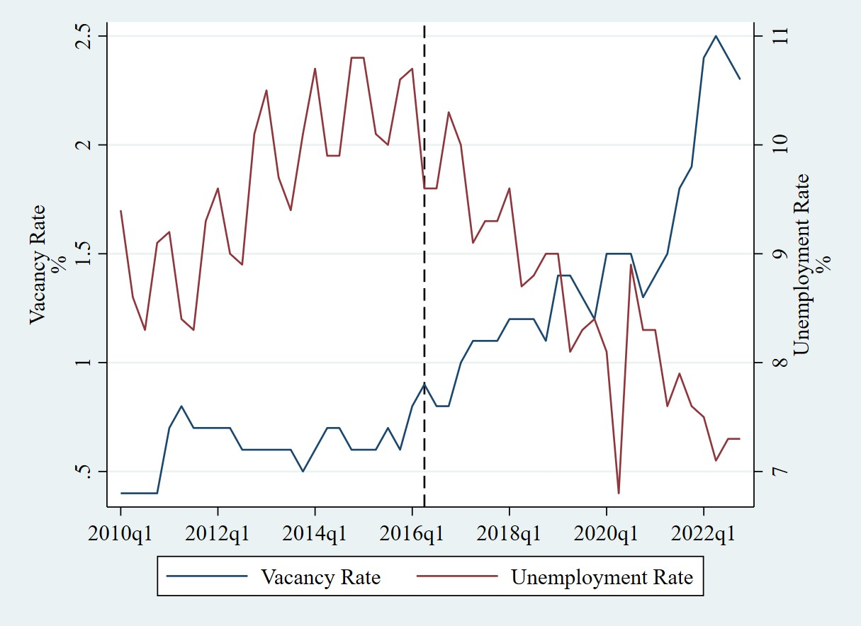

Figure18
 | unemployment |  |  | vacancy
TIME | GER | FRA | ITA | GER | FRA | ITA
2010 | 6.975 | 8.85 | 8.35 | 1.45 | 0.475 | 0.675
Job Vacancy Rates
 | GER | FRA | ITA
2010 | 1.45 | 0.475 | 0.675
2011 | 2.075 | 0.725 | 0.775
2012 | 1.975 | 0.625 | 0.525
2013 | 1.825 | 0.575 | 0.45
2014 | 1.9 | 0.65 | 0.525
2015 | 2.2 | 0.675 | 0.625
2016 | 2.275 | 0.875 | 0.7
2017 | 2.625 | 1.125 | 0.975
2018 | 2.9 | 1.225 | 1.125
2019 | 2.975 | 1.35 | 1.15
2020 | 2.225 | 1.4 | 0.825
2021 | 2.975 | 2.4 | 1.425
2011 | 5.85 | 8.8 | 8.375 | 2.075 | 0.725 | 0.775
2012 | 5.375 | 9.4 | 10.7 | 1.975 | 0.625 | 0.525
2013 | 5.275 | 9.925 | 12.175 | 1.825 | 0.575 | 0.45
2014 | 4.975 | 10.325 | 12.725 | 1.9 | 0.65 | 0.525
2015 | 4.65 | 10.375 | 11.925 | 2.2 | 0.675 | 0.625
2016 | 4.125 | 10.05 | 11.725 | 2.275 | 0.875 | 0.7
2017 | 3.75 | 9.425 | 11.25 | 2.625 | 1.125 | 0.975
2018 | 3.4 | 9.025 | 10.625 | 2.9 | 1.225 | 1.125
2019 | 3.175 | 8.45 | 9.975 | 2.975 | 1.35 | 1.15
2020 |  | 8.025 | 9.15 | 2.225 | 1.4 | 0.825
2021 | 3.65 | 7.85 | 9.525 | 2.975 | 2.4 | 1.425

Figure19
 | Labour Force | Total Population 15+ | Activity Rate
2005 | 29016873 | 41120722 | 70.565086382
2006 | 29193291 | 41435583 | 70.454640399
2007 | 29457032 | 41694810 | 70.649157533
2008 | 29670797 | 41868249 | 70.867059666
2009 | 29922456 | 41982175 | 71.274191964
2010 | 30022647 | 42084351 | 71.339218229
2011 | 30031230 | 42095743 | 71.34030156
2012 | 30288026 | 42005760 | 72.104459008
2013 | 30432523 | 41924226 | 72.589349652
2014 | 30411865 | 41834284 | 72.696033234
2015 | 30494746 | 41731092 | 73.074402175
2016 | 30508008 | 41634728 | 73.275386836
2017 | 30547530 | 41566422 | 73.490881654
2018 | 30691326 | 41540363 | 73.883143486
2019 | 30652293 | 41525825 | 73.815012706
2020 | 30379167 | 41514540 | 73.177173588
2021 | 31264402 | 41532807 | 75.276400172
2022 | 31649853 | 41537614 | 76.195645229
year | Labour Force | Activity Rate | Total Population 15+ | LFP - female | LFP - male | Ratio female/male LFP | vacancy | yoy_vac
2005 | 29016873 | 70.565086382 | 41120722 | 50.36 | 62.07 | 80.64516129 | 0.45 |  | 70.565086382
2006 | 29193291 | 70.454640399 | 41435583 | 50.42 | 61.86 | 81.080864178 | 0.55 | 0.22222222222 | 70.454640399
2007 | 29457032 | 70.649157533 | 41694810 | 50.77 | 61.69 | 81.871853032 | 0.63 | 0.13636363636 | 70.649157533
2008 | 29670797 | 70.867059666 | 41868249 | 50.95 | 61.67 | 82.246901658 | 0.63 | 0 | 70.867059666
2009 | 29922456 | 71.274191964 | 41982175 | 51.36 | 61.77 | 82.71726023 | 0.40 | -0.36 | 71.274191964
2010 | 30022647 | 71.339218229 | 42084351 | 51.37 | 61.58 | 82.945936362 | 0.40 | 0 | 71.339218229
2011 | 30031230 | 71.34030156 | 42095743 | 51.26 | 61.23 | 83.261155175 | 0.73 | 0.8125 | 71.34030156
2012 | 30288026 | 72.104459008 | 42005760 | 51.5 | 61.46 | 83.330100226 | 0.65 | -0.10344827586 | 72.104459008
2013 | 30432523 | 72.589349652 | 41924226 | 51.72 | 61.57 | 84.003896736 | 0.58 | -0.11538461538 | 72.589349652
2014 | 30411865 | 72.696033234 | 41834284 | 51.63 | 60.98 | 84.668601125 | 0.65 | 0.13043478261 | 72.696033234
2015 | 30494746 | 73.074402175 | 41731092 | 51.63 | 60.89 | 84.796042468 | 0.63 | -0.038461538462 | 73.074402175
2016 | 30508008 | 73.275386836 | 41634728 | 51.62 | 60.64 | 85.17330865 | 0.83 | 0.32 | 73.275386836
2017 | 30547530 | 73.490881654 | 41566422 | 51.31 | 60.38 | 84.978718471 | 1.08 | 0.30303030303 | 73.490881654
2018 | 30691326 | 73.883143486 | 41540363 | 51.43 | 60.21 | 85.4177047 | 1.17 | 0.093023255814 | 73.883143486
2019 | 30652293 | 73.815012706 | 41525825 | 51.26 | 59.67 | 85.904870445 | 1.33 | 0.12765957447 | 73.815012706
2020 | 30379167 | 73.177173588 | 41514540 | 50.63 | 58.81 | 86.089854777 | 1.45 | 0.094339622642 | 73.177173588
2021 | 31264402 | 75.276400172 | 41532807 | 52.2 | 59.84 | 87.233473698 | 1.65 | 0.13793103448 | 75.276400172
2022 | 31649853 | 76.195645229 | 41537614 |  |  | 87.091053731 | 2.40 | 0.45454545455 | 76.195645229

Figure20
year | 2005 - 2015 | unemploymentpre |  | 2016 - 2022 | unemploymentpost
2005 | 0.45 | 8.50 | 2016 | 0.83 | 10.05
2006 | 0.55 | 8.45 | 2017 | 1.08 | 9.43
Beveridge curve france: pre- and post-reform
 | 2005 - 2015 |  | 2016 - 2022
8.5 | 0.45 | 10.05 | 0.825
8.45 | 0.55 | 9.425 | 1.075
7.65 | 0.625 | 9.025 | 1.175
7.075 | 0.625 | 8.45 | 1.325
8.725 | 0.4 | 8.025 | 1.4333333333
8.85 | 0.4 | 7.85 | 1.65
8.8 | 0.725 | 7.3 | 2.4
9.4 | 0.65
9.925 | 0.575
10.325 | 0.65
10.375 | 0.625
2007 | 0.63 | 7.65 | 2018 | 1.17 | 9.02
2008 | 0.63 | 7.08 | 2019 | 1.33 | 8.45
2009 | 0.40 | 8.73 | 2020 | 1.43 | 8.02
2010 | 0.40 | 8.85 | 2021 | 1.65 | 7.85
2011 | 0.73 | 8.80 | 2022 | 2.40 | 7.30
2012 | 0.65 | 9.40
2013 | 0.58 | 9.93
2014 | 0.65 | 10.33
2015 | 0.63 | 10.38

Figure21
 | Sraw |  |  |  | M |  |  | S |  |  |  |  |  |  | UNEMPLOYMENT
TIME | TOTAL ACTIVE | ACTIVE HIGH | ACTIVE MEDIUM | ACTIVE LOW | EMPLOYED HIGH | EMPLOYED MEDIUM | EMPLOYED LOW | ACTIVE HIGH | ACTIVE MEDIUM | ACTIVE LOW | HIGH | MEDIUM | LOW | SMI | HIGH | MEDIUM | LOW
2009 | 28,825.4 | 8,879.6 | 12,723.1 | 7,222.7 | 32.3 | 44.5 | 23.2 | 30.804776343 | 44.138502848 | 25.056720809 | 2.24 | 0.13 | 3.45 | 5.81 | 5.6 | 8.8 | 14.2
2010 | 28,955 | 9,066.0 | 12,755.2 | 7,133.8 | 32.9 | 44.5 | 22.6 | 31.310654464 | 44.051804524 | 24.637541012 | 2.53 | 0.20 | 4.15 | 6.88 | 5.5 | 8.8 | 15.1
2011 | 28,977.5 | 9,305.0 | 12,706.6 | 6,965.9 | 33.7 | 44.2 | 22.1 | 32.111120697 | 43.84988353 | 24.038995773 | 2.52 | 0.12 | 3.76 | 6.41 | 5.4 | 8.9 | 15.0
2012 | 29,210.2 | 9,727.5 | 12,699.1 | 6,783.6 | 35.1 | 43.7 | 21.2 | 33.301723371 | 43.474882062 | 23.223394568 | 3.23 | 0.05 | 4.09 | 7.38 | 5.7 | 9.8 | 15.8
2013 | 29,397.2 | 10,233.5 | 13,052.7 | 6,111.0 | 36.7 | 44.5 | 18.7 | 34.811138476 | 44.401167458 | 20.787694066 | 3.57 | 0.01 | 4.36 | 7.94 | 6.2 | 10.5 | 16.8
2014 | 29,350.2 | 10,640.2 | 13,207.2 | 5,502.8 | 37.8 | 44.8 | 17.1 | 36.252563867 | 44.998671219 | 18.748764915 | 2.39 | 0.04 | 2.72 | 5.15 | 6.3 | 10.6 | 17.0
2015 | 29,428.6 | 10,931.0 | 13,248.1 | 5,249.5 | 38.8 | 44.8 | 16.1 | 37.144138695 | 45.017771827 | 17.838089478 | 2.74 | 0.05 | 3.02 | 5.81 | 6.3 | 10.8 | 17.6
2016 | 29,494.1 | 11,162.2 | 13,268.2 | 5,063.7 | 39.6 | 44.8 | 15.3 | 37.845535209 | 44.985946342 | 17.168518449 | 3.08 | 0.03 | 3.49 | 6.60 | 5.7 | 10.6 | 18.0
2017 | 29,536.2 | 11,342.6 | 13,118.1 | 5,075.5 | 40.2 | 44.1 | 15.4 | 38.402367265 | 44.413634794 | 17.183997942 | 3.23 | 0.10 | 3.18 | 6.51 | 5.2 | 10.1 | 17.0
2018 | 29,638.7 | 11,835.4 | 12,984.3 | 4,819.0 | 41.5 | 43.5 | 14.7 | 39.93225074 | 43.808601592 | 16.259147668 | 2.46 | 0.10 | 2.43 | 4.98 | 5.4 | 9.7 | 16.1
2019 | 29,574.4 | 12,226.3 | 12,838.1 | 4,510.0 | 42.8 | 43.1 | 13.8 | 41.340821792 | 43.409502813 | 15.249675395 | 2.13 | 0.10 | 2.10 | 4.33 | 5.1 | 9.2 | 15.4
2020 | 29,295.6 | 12,650.5 | 12,389.7 | 4,255.4 | 44.5 | 41.9 | 13.2 | 43.182252625 | 42.292016549 | 14.525730826 | 1.74 | 0.15 | 1.76 | 3.65 | 5.2 | 8.9 | 13.9
2021 | 29,936 | 13,233.3 | 12,622.1 | 4,080.6 | 45.3 | 41.8 | 12.4 | 44.20530465 | 42.163615714 | 13.631079637 | 1.20 | 0.13 | 1.52 | 2.85 | 5.3 | 8.5 | 14.4
2022 | 30,407.5 | 13,562.3 | 12,814.0 | 4,031.2 | 45.7 | 41.8 | 12.1 | 44.601825208 | 42.140919181 | 13.257255611 | 1.21 | 0.12 | 1.34 | 2.66 | 4.7 | 8.2 | 13.2

 | HIGH | MEDIUM | LOW | SMI
2009 | 2.2356937842 | 0.13068019077 | 3.4474121616 | 5.8137861365
2010 | 2.5260192334 | 0.20087918447 | 4.1515733752 | 6.8784717931
2011 | 2.5245374392 | 0.12258154234 | 3.7597046061 | 6.4068235876
2012 | 3.2337988358 | 0.050678086124 | 4.0941255764 | 7.3786024984
2013 | 3.5677978577 | 0.0097678713334 | 4.3584665136 | 7.9360322427
2014 | 2.3945585867 | 0.039470253098 | 2.718425744 | 5.1524545838
2015 | 2.7418766614 | 0.047424568812 | 3.0209550321 | 5.8102562623
2016 | 3.0781467038 | 0.034576042033 | 3.4913611959 | 6.6040839418
2017 | 3.2314834515 | 0.098366783953 | 3.1826486553 | 6.5124988907
2018 | 2.457837743 | 0.095234942485 | 2.4309414519 | 4.9840141375
2019 | 2.1292010432 | 0.095791991406 | 2.1015587507 | 4.3265517853
2020 | 1.7364581444 | 0.15367697435 | 1.7575622243 | 3.647697343
2021 | 1.1983579095 | 0.13221638712 | 1.5155570715 | 2.8461313682
2022 | 1.2059878747 | 0.11622588806 | 1.3392405498 | 2.6614543126
 | HIGH | MEDIUM | LOW
2009 | 5.6 | 8.8 | 14.2
2010 | 5.5 | 8.8 | 15.1
2011 | 5.4 | 8.9 | 15
2012 | 5.7 | 9.8 | 15.8
2013 | 6.2 | 10.5 | 16.8
2014 | 6.3 | 10.6 | 17
2015 | 6.3 | 10.8 | 17.6
2016 | 5.7 | 10.6 | 18
2017 | 5.2 | 10.1 | 17
2018 | 5.4 | 9.7 | 16.1
2019 | 5.1 | 9.2 | 15.4
2020 | 5.2 | 8.9 | 13.9
2021 | 5.3 | 8.5 | 14.4
2022 | 4.7 | 8.2 | 13.2

Figure22
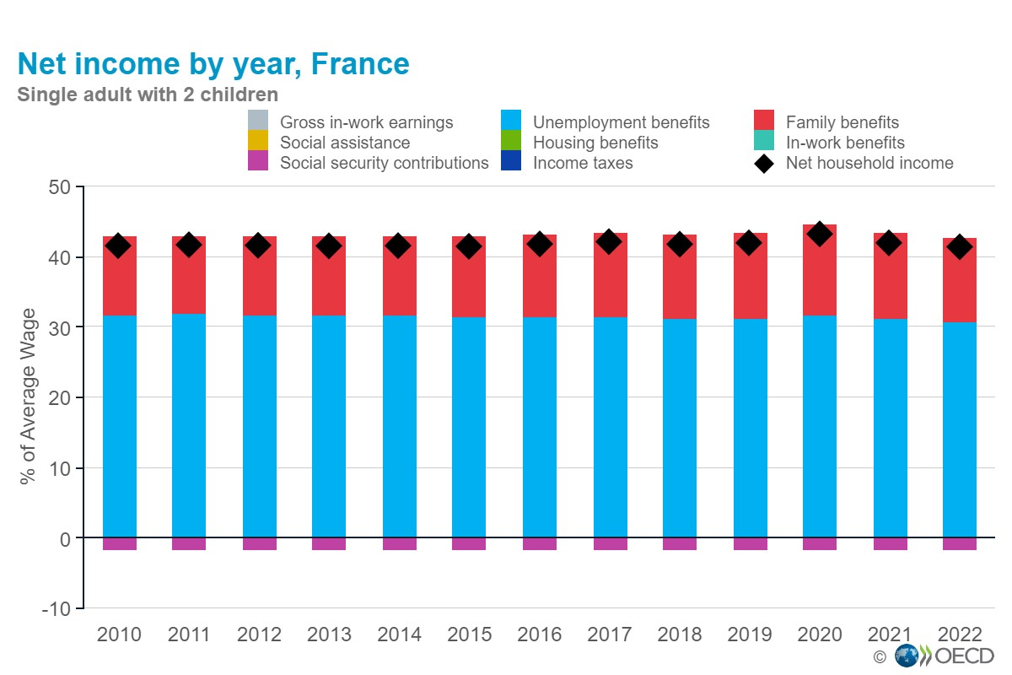
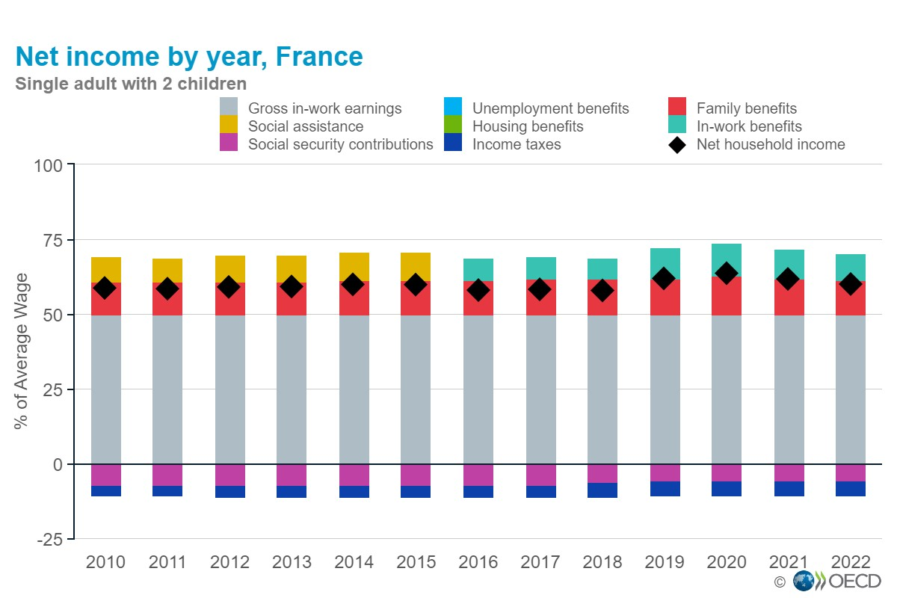

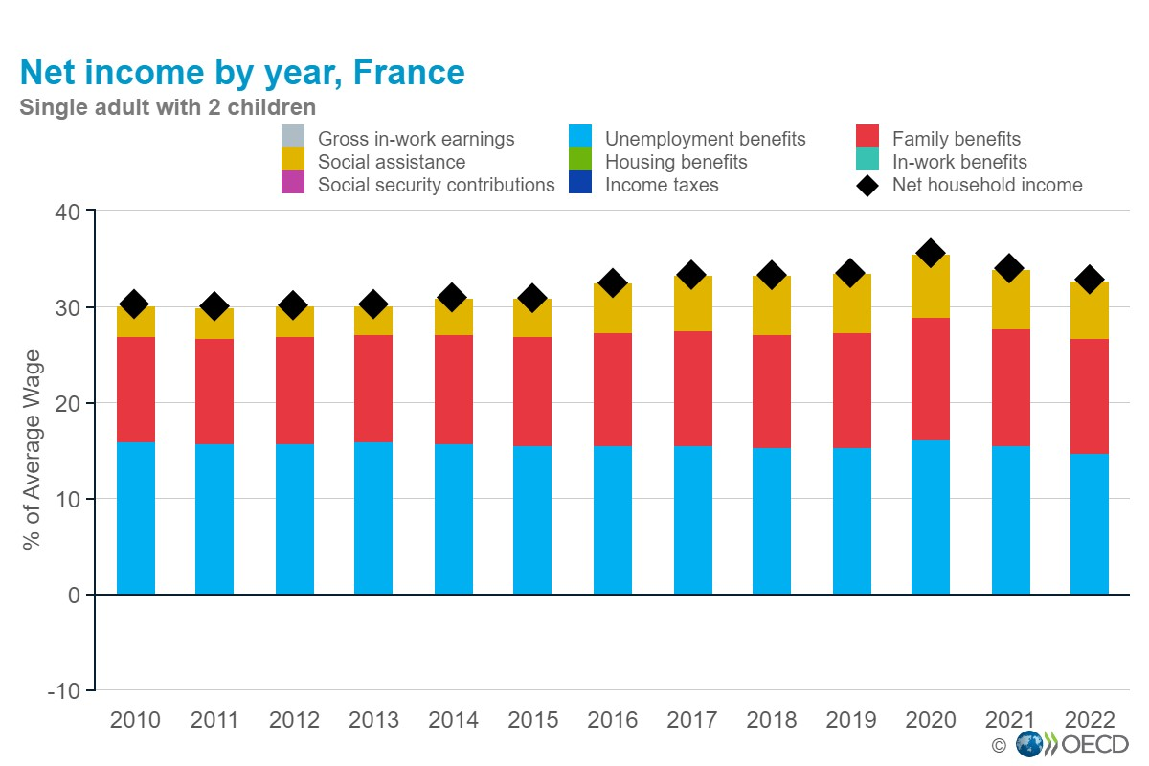

Figure23
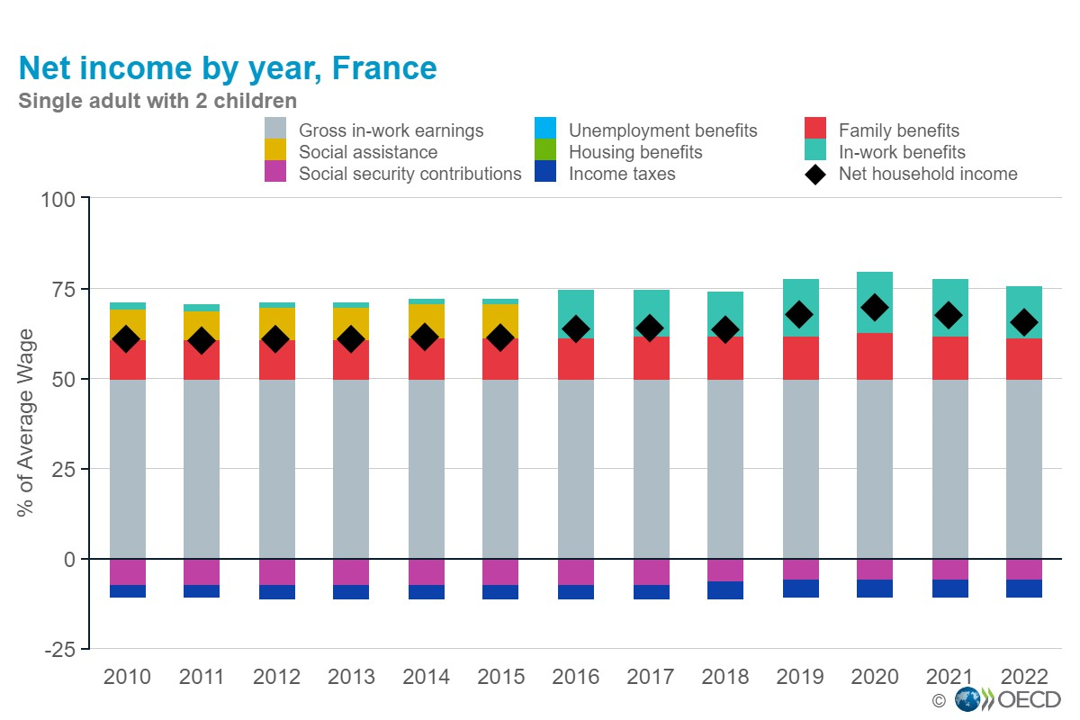

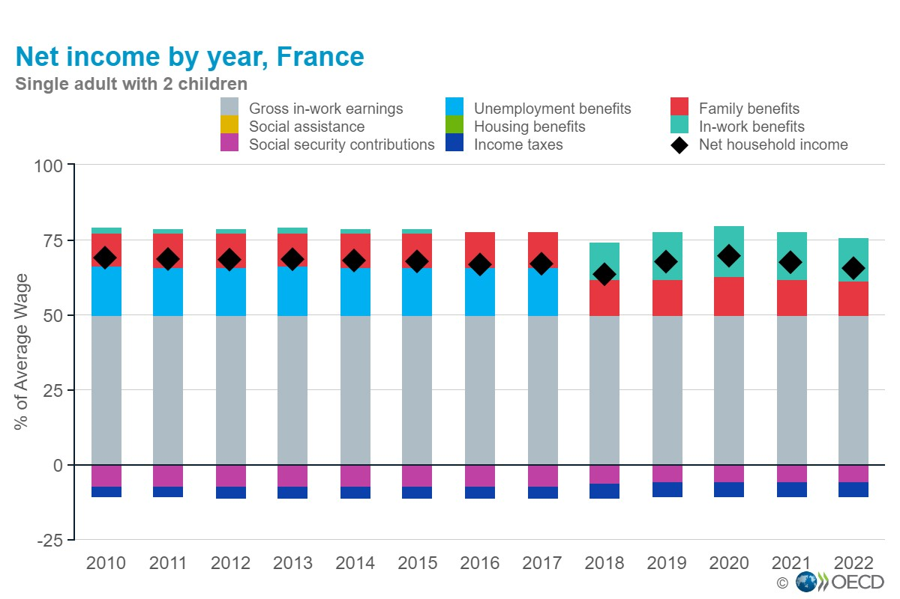

Figure24
year | work | 2munemp | 12munemp | 36munemp | btw2 | btw12 | btw36 | 2 months | 12 months | 36 months
2010 | 20357.5 | 14383.8 | 14383.8 | 10493.4 | 21109.9 | 21109.9 | 23921.5 | 0.68137698426 | 0.68137698426 | 0.43865978304
2011 | 20738.8 | 14761.4 | 14761.4 | 10657 | 21428.8 | 21428.8 | 24316.4 | 0.68885798551 | 0.68885798551 | 0.43826388775
 | 2 months | 12 months | 36 months
2010 | 0.68137698426 | 0.68137698426 | 0.43865978304
2011 | 0.68885798551 | 0.68885798551 | 0.43826388775
2012 | 0.68266763716 | 0.68266763716 | 0.44089042926
2013 | 0.68113482056 | 0.68113482056 | 0.44193796872
2014 | 0.67514333069 | 0.67514333069 | 0.45477832201
2015 | 0.67609167111 | 0.67609167111 | 0.45599695136
2016 | 0.65542539639 | 0.65542539639 | 0.48665441671
2017 | 0.65805206615 | 0.65805206615 | 0.49773613505
2018 | 0.6570353809 | 0.6570353809 | 0.52479355702
2019 | 0.61894662826 | 0.61894662826 | 0.49508925534
2020 | 0.61955932953 | 0.61955932953 | 0.51104346433
2021 | 0.6209756593 | 0.6209756593 | 0.50407935272
2022 | 0.63095680318 | 0.63095680318 | 0.50152080766
2012 | 21341.2 | 15006.4 | 15006.4 | 10889.2 | 21982 | 21982 | 24698.2 | 0.68266763716 | 0.68266763716 | 0.44089042926
2013 | 21662.3 | 15168.6 | 15168.6 | 11072.8 | 22269.6 | 22269.6 | 25055.1 | 0.68113482056 | 0.68113482056 | 0.44193796872
2014 | 22299 | 15438.3 | 15438.3 | 11522.4 | 22866.7 | 22866.7 | 25336.3 | 0.67514333069 | 0.67514333069 | 0.45477832201
2015 | 22724.1 | 15712.1 | 15712.1 | 11726.6 | 23239.6 | 23239.6 | 25716.4 | 0.67609167111 | 0.67609167111 | 0.45599695136
2016 | 21957.9 | 15794.9 | 15794.9 | 12288.9 | 24098.7 | 24098.7 | 25251.8 | 0.65542539639 | 0.65542539639 | 0.48665441671
2017 | 22156.7 | 15993.1 | 15993.1 | 12675 | 24303.7 | 24303.7 | 25465.3 | 0.65805206615 | 0.65805206615 | 0.49773613505
2018 | 22363.4 | 16104.2 | 16104.2 | 12862.9 | 24510.4 | 24510.4 | 24510.4 | 0.6570353809 | 0.6570353809 | 0.52479355702
2019 | 24202 | 16372.5 | 16372.5 | 13096.2 | 26452.2 | 26452.2 | 26452.2 | 0.61894662826 | 0.61894662826 | 0.49508925534
2020 | 23963.1 | 16241.5 | 16241.5 | 13396.8 | 26214.6 | 26214.6 | 26214.6 | 0.61955932953 | 0.61955932953 | 0.51104346433
2021 | 24326.9 | 16508.7 | 16508.7 | 13401 | 26585.1 | 26585.1 | 26585.1 | 0.6209756593 | 0.6209756593 | 0.50407935272
2022 | 24929 | 17155.4 | 17155.4 | 13636.1 | 27189.5 | 27189.5 | 27189.5 | 0.63095680318 | 0.63095680318 | 0.50152080766

Figure26
TIME | Full-time | Part-time
2004 | 4.4 | 9.3
2005 | 5.3 | 8.4
 | Full-time | Part-time
2004 | 4.4 | 9.3
2005 | 5.3 | 8.4
2006 | 5.1 | 10.1
2007 | 5.3 | 10.9
2008 | 5.3 | 10.5
2009 | 5.3 | 11.2
2010 | 5.2 | 11.2
2011 | 5.9 | 13.7
2012 | 6.6 | 13
2013 | 5.9 | 13.1
2014 | 6.3 | 13.3
2015 | 6 | 13.2
2016 | 6.5 | 13.5
2017 | 5.8 | 12.8
2018 | 5.9 | 11.9
2019 | 5.5 | 15.5
2020 | 5.3 | 17.2
2021 | 3.3 | 11.9
2022 | 5.4 | 15.8
2006 | 5.1 | 10.1
2007 | 5.3 | 10.9
2008 | 5.3 | 10.5
2009 | 5.3 | 11.2
2010 | 5.2 | 11.2
2011 | 5.9 | 13.7
2012 | 6.6 | 13.0
2013 | 5.9 | 13.1
2014 | 6.3 | 13.3
2015 | 6.0 | 13.2
2016 | 6.5 | 13.5
2017 | 5.8 | 12.8
2018 | 5.9 | 11.9
2019 | 5.5 | 15.5
2020 | 5.3 | 17.2
2021 | 3.3 | 11.9
2022 | 5.4 | 15.8

Figure27
 | Agriculture, Forestry and Fishing | Industry and Construction | Wholesale and Retail | Information and Comunication | Public Administration | Other Services | Average | Males | Females
2008 | 9.9 | 6.2 | 4.6 | 4.9 | 3.4 | 4.7 | 4.8 | 4.9 | 4.6
2009 | 9.4 | 4.9 | 4.0 | 4.6 | 3.5 | 4.3 | 4.3 | 4.2 | 4.5
2010 | 9.2 | 6.1 | 4.7 | 4.4 | 3.5 | 4.7 | 4.7 | 4.8 | 4.6
2011 | 10.9 | 6.2 | 5.2 | 4.8 | 3.5 | 4.4 | 4.9 | 5.2 | 4.6
2012 | 9.4 | 6 | 4.9 | 4.7 | 3.5 | 4.1 | 4.7 | 4.9 | 4.5
2013 | 11.1 | 4.8 | 4.7 | 3.8 | 2.9 | 4.1 | 4.1 | 4.4 | 3.9
2014 | 9.1 | 5.5 | 5.0 | 3.9 | 3.2 | 3.8 | 4.4 | 4.7 | 4.2
2015 | 11.4 | 5.8 | 5.1 | 4 | 3.5 | 3.9 | 4.7 | 5 | 4.3
2016 | 10.5 | 6.2 | 5.4 | 4.2 | 3.5 | 3.6 | 4.8 | 5.2 | 4.4
2017 | 12.3 | 6.9 | 5.8 | 4.2 | 3.6 | 4 | 5.1 | 5.6 | 4.7
2018 | 10.5 | 6.7 | 5.6 | 3.7 | 3.5 | 4.5 | 4.9 | 5.3 | 4.6
2019 | 10.4 | 7.2 | 6.0 | 3.5 | 4.2 | 4.4 | 5.3 | 5.8 | 4.8
2020 | 10.9 | 6.2 | 5.7 | 3.2 | 4.1 | 4.7 | 4.9 | 5.2 | 4.7
2021 | 8.4 | 5.1 | 5.0 | 2.8 | 3.2 | 3.6 | 4 | 4.2 | 3.9
2022 | 10.1 | 5.2 | 5.3 | 2.9 | 3.5 | 3.3 | 4.3 | 4.5 | 4.1
TIME | Average | Agriculture, Forestry and Fishing | Industry and Construction | Wholesale and Retail | Information and Comunication | Public Administration | Other Services | Males | Females
2008 | 4.8 | 9.9 | 6.2 | 4.6 | 4.9 | 3.4 | 4.7 | 4.9 | 4.6
2009 | 4.3 | 9.4 | 4.9 | 4.0 | 4.6 | 3.5 | 4.3 | 4.2 | 4.5
2010 | 4.7 | 9.2 | 6.1 | 4.7 | 4.4 | 3.5 | 4.7 | 4.8 | 4.6
2011 | 4.9 | 10.9 | 6.2 | 5.2 | 4.8 | 3.5 | 4.4 | 5.2 | 4.6
2012 | 4.7 | 9.4 | 6.0 | 4.9 | 4.7 | 3.5 | 4.1 | 4.9 | 4.5
2013 | 4.1 | 11.1 | 4.8 | 4.7 | 3.8 | 2.9 | 4.1 | 4.4 | 3.9
2014 | 4.4 | 9.1 | 5.5 | 5.0 | 3.9 | 3.2 | 3.8 | 4.7 | 4.2
2015 | 4.7 | 11.4 | 5.8 | 5.1 | 4.0 | 3.5 | 3.9 | 5.0 | 4.3
2016 | 4.8 | 10.5 | 6.2 | 5.4 | 4.2 | 3.5 | 3.6 | 5.2 | 4.4
2017 | 5.1 | 12.3 | 6.9 | 5.8 | 4.2 | 3.6 | 4.0 | 5.6 | 4.7
2018 | 4.9 | 10.5 | 6.7 | 5.6 | 3.7 | 3.5 | 4.5 | 5.3 | 4.6
2019 | 5.3 | 10.4 | 7.2 | 6.0 | 3.5 | 4.2 | 4.4 | 5.8 | 4.8
2020 | 4.9 | 10.9 | 6.2 | 5.7 | 3.2 | 4.1 | 4.7 | 5.2 | 4.7
2021 | 4.0 | 8.4 | 5.1 | 5.0 | 2.8 | 3.2 | 3.6 | 4.2 | 3.9
2022 | 4.3 | 10.1 | 5.2 | 5.3 | 2.9 | 3.5 | 3.3 | 4.5 | 4.1

